Description
Single Plan Dose Producer Scenario
Instructions for use test scenarios
Module Overview

Description:

This test scenario will check RO-DC3 recieved from the single plan dose producer

- Verifies the critical attribute mapping requirements
- Validation of the created RT dose (RO-DC3) (including RO critical modules)

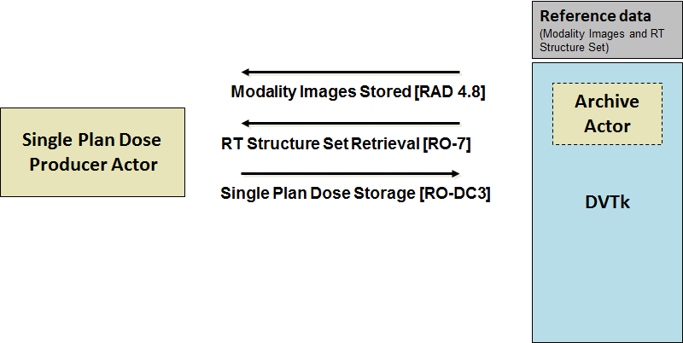

When this scenario starts the following dialog will show up.

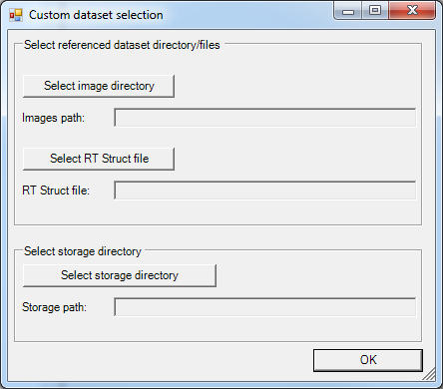

Select the directory where the images are located and where the storage file needs to be saved, for the structure set a file needs to be selected.

Expected Transactions sent to actor:
RAD 4.8 (Modality Images Stored)
MMRO 4 (Registered structure set)

Expected transactions from actor:
RO-DC3 (Single Plan Dose Storage)

Used scenario dataset:
This scenario uses the selected test dataset.

